INSTRUCTION
💡 IMPORTANT: COMPLETE THIS STEP FIRST BEFORE MOVING FORWARD
HERE ARE THE INSTRUCTIONS BASED ON THE COLOR CODED CELL DESIGNATIONS:
⚠️ CAUTION:

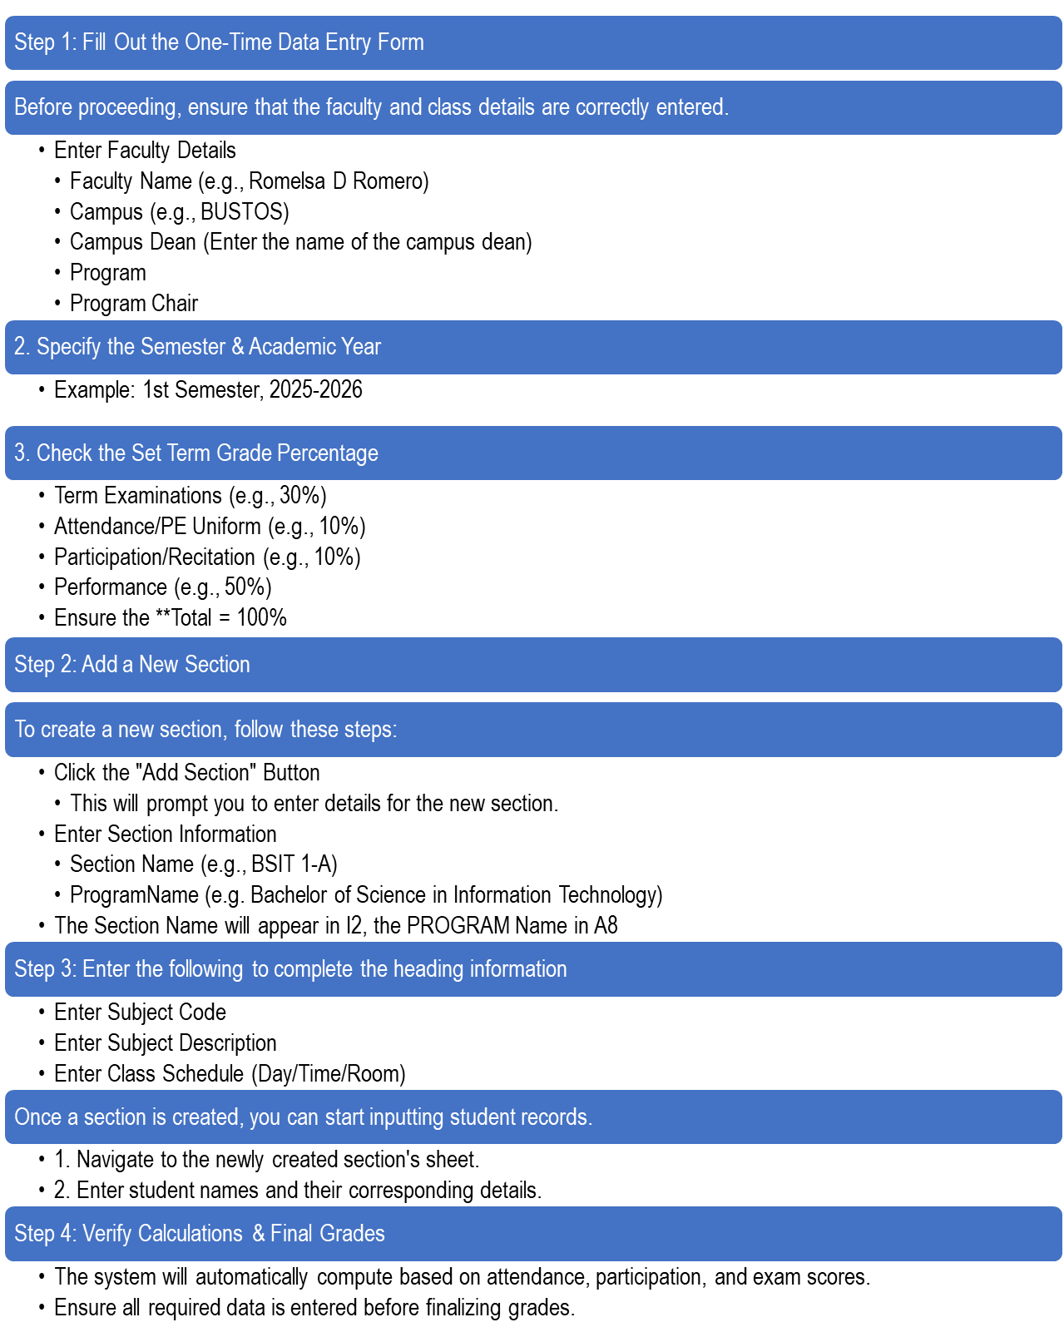
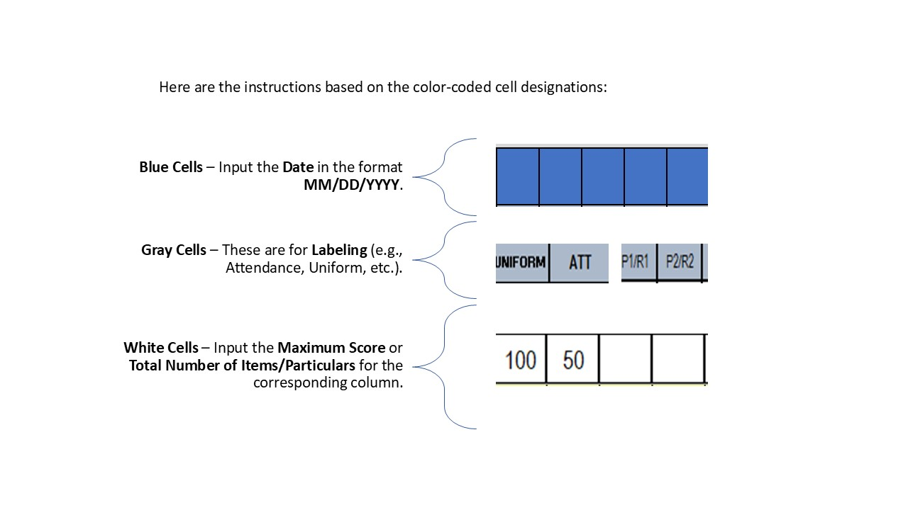
Do not delete or modify the 'SectionTemplateSheet.'
This sheet is essential for the system's functionality.
Additionally, do not input any values on this sheet to prevent errors or system malfunctions

SectionTemplate

` |  | BULACAN STATE UNIVERSITY | Section_Program: |  |  |  | Subject_Code |  |  |  |  | Semester/School Year |  |  |  |  |  |  |  |  |  |  |  | Section_Program: |  | 0 |  |  |  | Subject_Code | 0 |  |  |  | Semester/School Year |  |  |  |  |  |  |  |  |  | Section_Program: |  | 0 | Subject_Code: | 0 | Semester/School Year

 |  | BUSTOS | Subject Description |  |  |  |  |  |  |  |  | 1st Semester | / |  | 2025-2026 |  |  |  |  |  |  |  |  | Subject Description |  | 0 |  |  |  |  |  |  |  |  | 1st Semester | / |  |  | 2025-2026 |  |  |  |  |  | Subject Description |  | 0 |  |  | 1st Semester | / | 2025-2026
 |  |  | Faculty Name: |  | keith |  |  |  |  |  |  | MIDTERM |  |  |  |  |  |  |  |  |  |  |  | Faculty Name: |  | keith |  |  |  |  |  |  |  |  | FINAL TERM |  |  |  |  |  |  |  |  |  | Faculty Name: |  | keith |  |  | SUMMARY
 |  |  | Schedule( DAY / TIME / RM) |  |  |  |  |  |  |  |  |  |  |  |  |  |  |  |  |  |  |  |  | Schedule( DAY / TIME / RM) |  | 0 |  |  | 0 |  | 0 |  |  |  |  |  |  |  |  |  |  |  |  |  | Schedule( DAY / TIME / RM) |  | 0 | 0 | 0

 |  |  | 10% |  |  |  |  | 40% |  |  |  | 20% |  |  |  |  | 30% |  |  | 100% |  |  | 10% |  |  |  |  |  | 40% |  |  |  |  | 20% |  |  |  |  | 30% |  |  | 100.0%
 |  |  |  |  |  |  |  |  |  |  |  |  |  |  |  |  |  |  |  |  | EQUIVALENT | REMARK |  |  |  |  |  |  |  |  |  |  |  |  |  |  |  |  |  |  |  |  | EQUIVALENT | REMARK | MIDTERM GRADE | FINAL TERM GRADE | FINAL GRADE | EQUIVALENT | REMARK
 |  |  | ATTENDANCE/CLASS PARTICIPATION/RECITATION |  |  | AVERAGE | PERCENTAGE | LABORATORY/ACTIVITIES/PROJECT |  | AVERAGE | PERCENTAGE | QUIZZES |  |  | AVERAGE | PERCENTAGE | MIDTERM EXAM | AVERAGE | PERCENTAGE | MIDTERM GRADE |  |  | ATTENDANCE/CLASS PARTICIPATION/RECITATION |  |  |  | AVERAGE | PERCENTAGE | LABORATORY/ACTIVITIES/PROJECT |  |  | AVERAGE | PERCENTAGE | QUIZZES |  |  | AVERAGE | PERCENTAGE | FINAL EXAM | AVERAGE | PERCENTAGE | FINAL TERM GRADE
No. | Student Number | Student Name (Surname, Firstname, MI)

 |  |  | 10
1 |  | sad | 1 |  |  | 10 | 1.00 |  |  | 0 | 0.00 |  |  |  | 0 | 0.00 |  | 0 | 0.0 | 1.00 | 5.00 | Failed |  |  |  |  | 0 | 0.00 |  |  |  | 0 | 0.00 |  |  |  | 0 | 0.00 |  | 0 | 0.00 | 0.00 | 0.00 | Failed | 1.00 | 0.00 | 1 | 5.00 | Failed
2
3
4
5
6
7
8
9 |  |  |  |  |  |  |  |  |  |  |  |  |  |  |  |  |  |  |  |  |  |  |  |  |  |  |  |  |  |  |  |  |  |  |  |  |  |  |  |  |  |  |  |  |  |  |  |  |  | Class-Wide Final Grade Summary by Remark"
10
11 |  |  |  |  |  |  |  |  |  |  |  |  |  |  |  |  |  |  |  |  |  |  |  |  |  |  |  |  |  |  |  |  |  |  |  |  |  |  |  |  |  |  |  |  |  |  |  |  |  | INC | INCOMPLETE |  | 0
12 |  |  |  |  |  |  |  |  |  |  |  |  |  |  |  |  |  |  |  |  |  |  |  |  |  |  |  |  |  |  |  |  |  |  |  |  |  |  |  |  |  |  |  |  |  |  |  |  |  | NJ | NO PROJECT |  | 0
13 |  |  |  |  |  |  |  |  |  |  |  |  |  |  |  |  |  |  |  |  |  |  |  |  |  |  |  |  |  |  |  |  |  |  |  |  |  |  |  |  |  |  |  |  |  |  |  |  |  | UD | UNOFFICIALLY DROP |  | 0
14 |  |  |  |  |  |  |  |  |  |  |  |  |  |  |  |  |  |  |  |  |  |  |  |  |  |  |  |  |  |  |  |  |  |  |  |  |  |  |  |  |  |  |  |  |  |  |  |  |  | OD | OFFICIALLY DROP |  | 0
15 |  |  |  |  |  |  |  |  |  |  |  |  |  |  |  |  |  |  |  |  |  |  |  |  |  |  |  |  |  |  |  |  |  |  |  |  |  |  |  |  |  |  |  |  |  |  |  |  |  | NE | NO EXAM |  | 0
16 |  |  |  |  |  |  |  |  |  |  |  |  |  |  |  |  |  |  |  |  |  |  |  |  |  |  |  |  |  |  |  |  |  |  |  |  |  |  |  |  |  |  |  |  |  |  |  |  |  | NA | NOT ATTENDING |  | 0
17 |  |  |  |  |  |  |  |  |  |  |  |  |  |  |  |  |  |  |  |  |  |  |  |  |  |  |  |  |  |  |  |  |  |  |  |  |  |  |  |  |  |  |  |  |  |  |  |  |  | FAILED | FAILED |  | 1
18 |  |  |  |  |  |  |  |  |  |  |  |  |  |  |  |  |  |  |  |  |  |  |  |  |  |  |  |  |  |  |  |  |  |  |  |  |  |  |  |  |  |  |  |  |  |  |  |  |  | PASSED | PASSED |  | 0
19 |  |  |  |  |  |  |  |  |  |  |  |  |  |  |  |  |  |  |  |  |  |  |  |  |  |  |  |  |  |  |  |  |  |  |  |  |  |  |  |  |  |  |  |  |  |  |  |  |  |  | TOTAL |  | 1
20
21
22
23
24
25
26
27
28
29
30
31
32
33
34
35
36
37
38
39
40
41
42
43
44
45
46
47
48
49
50
51
52
53
54
55
56
57
58
59
60
61
62
63
64
65
66
67
68
69
70
71
72
73
74
75
76
77
78
79
80
81
82
83
84
85
86
87
88
89
90
91
92
93
94
95
96
97
98
99
100

Total No. of Students: |  |  |  |  |  | Prepared and Encoded by: |  |  |  |  |  |  |  |  | Noted by: |  |  |  |  |  |  |  |  |  |  |  | Prepared and Encoded by: |  |  |  |  |  |  |  |  |  | Noted by: |  |  |  |  |  |  |  |  | Prepared and Encoded by: |  |  | Noted by:

1 |  |  |  | keith |  |  |  |  |  |  |  |  |  | MARICEL E. SIERTO Ed., D. |  |  |  |  |  |  |  |  |  |  | keith |  |  |  |  |  | 0 |  |  |  |  | MARICEL E. SIERTO Ed., D. |  |  |  |  |  |  |  |  | keith |  |  |  | 0 |  | MARICEL E. SIERTO Ed., D.
 |  |  |  | Professor / Faculty / Instructor |  |  |  |  | Program Chair |  |  |  |  | College Dean |  |  |  |  |  |  |  |  |  |  | Professor / Faculty / Instructor |  |  |  |  |  | Program Chair |  |  |  |  | College Dean |  |  |  |  |  |  |  |  | Professor / Faculty / Instructor |  |  |  | Program Chair |  | College Dean
 |  |  |  | Signature over printed name / Date |  |  |  |  | Signature over printed name / Date |  |  |  |  | Signature over printed name / Date |  |  |  |  |  |  |  |  |  |  | Signature over printed name / Date |  |  |  |  |  | Signature over printed name / Date |  |  |  |  | Signature over printed name / Date |  |  |  |  |  |  |  |  | Signature over printed name / Date |  |  |  | Signature over printed name / Date |  | Signature over printed name / Date

